Dala Sales & Deliveries
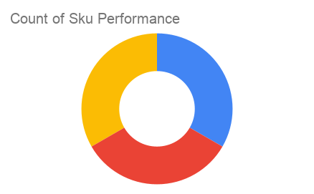
 | Total Invoices Delivered | 4.00 | Sku Performance | Units | Value
 | Unique Locations Supplied | 4.00 | 20cl Niftaban Ope Natural Honey (6x) | 1.00 | 9,000.00
 | Total Value of orders | 68,400.00 | 75cl Niftaban Ope Natural Honey (6x) | 1.00 | 23,400.00
 |  |  | 35cl Niftaban Ope Natural Honey (6x) | 3.00 | 36,000.00
 |  |  |  | 0.00 | 0.00
 |  |  |  | 0.00 | 0.00
 |  |  |  | 0.00 | 0.00
 |  |  |  | 0.00 | 0.00
 |  |  |  | 0.00 | 0.00
 |  |  |  | 0.00 | 0.00
 |  |  |  | 0.00 | 0.00
2025-04-11 |  |  |  | 0.00 | 0.00
 |  |  |  | 0.00 | 0.00

